Script
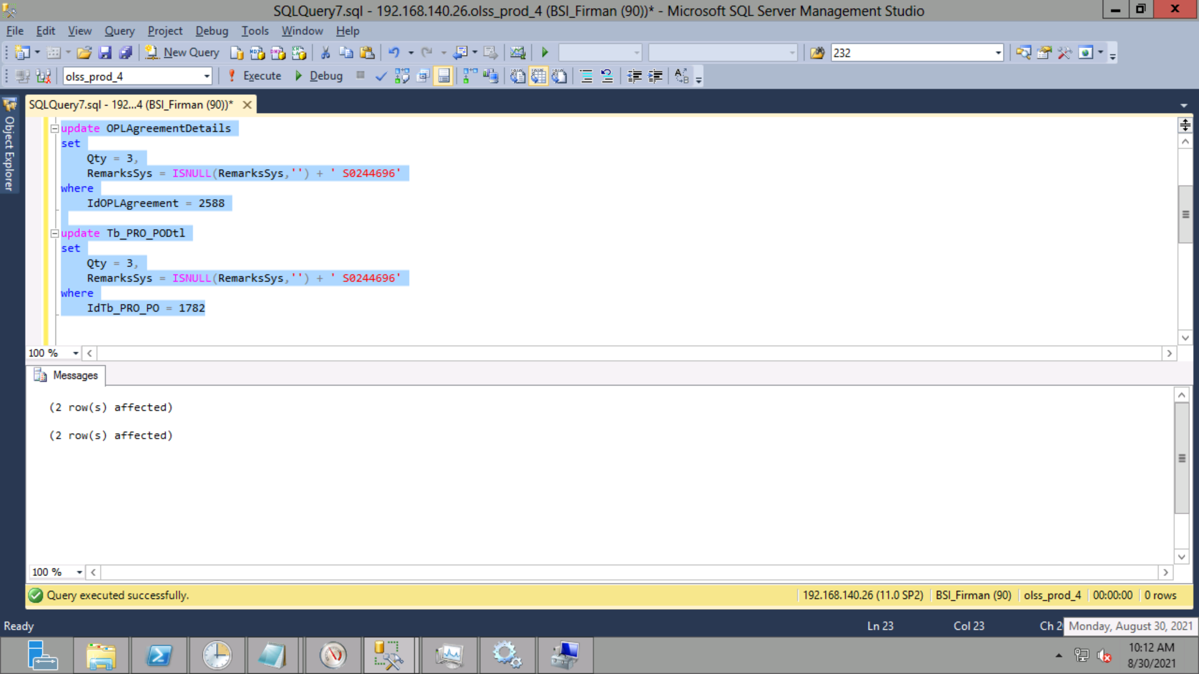
update OPLAgreementDetails
set
 | Qty = 3,
 | RemarksSys = ISNULL(RemarksSys,'') + ' S0244696'
where
 | IdOPLAgreement = 2588

update Tb_PRO_PODtl
set
 | Qty = 3,
 | RemarksSys = ISNULL(RemarksSys,'') + ' S0244696'
where
 | IdTb_PRO_PO = 1782

Screenshot
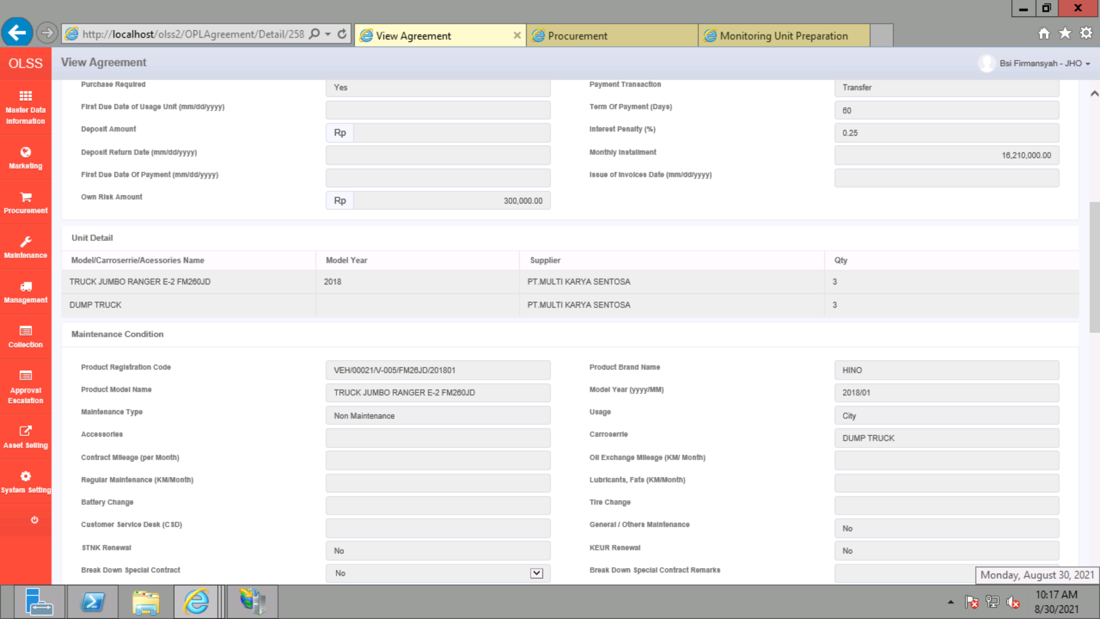
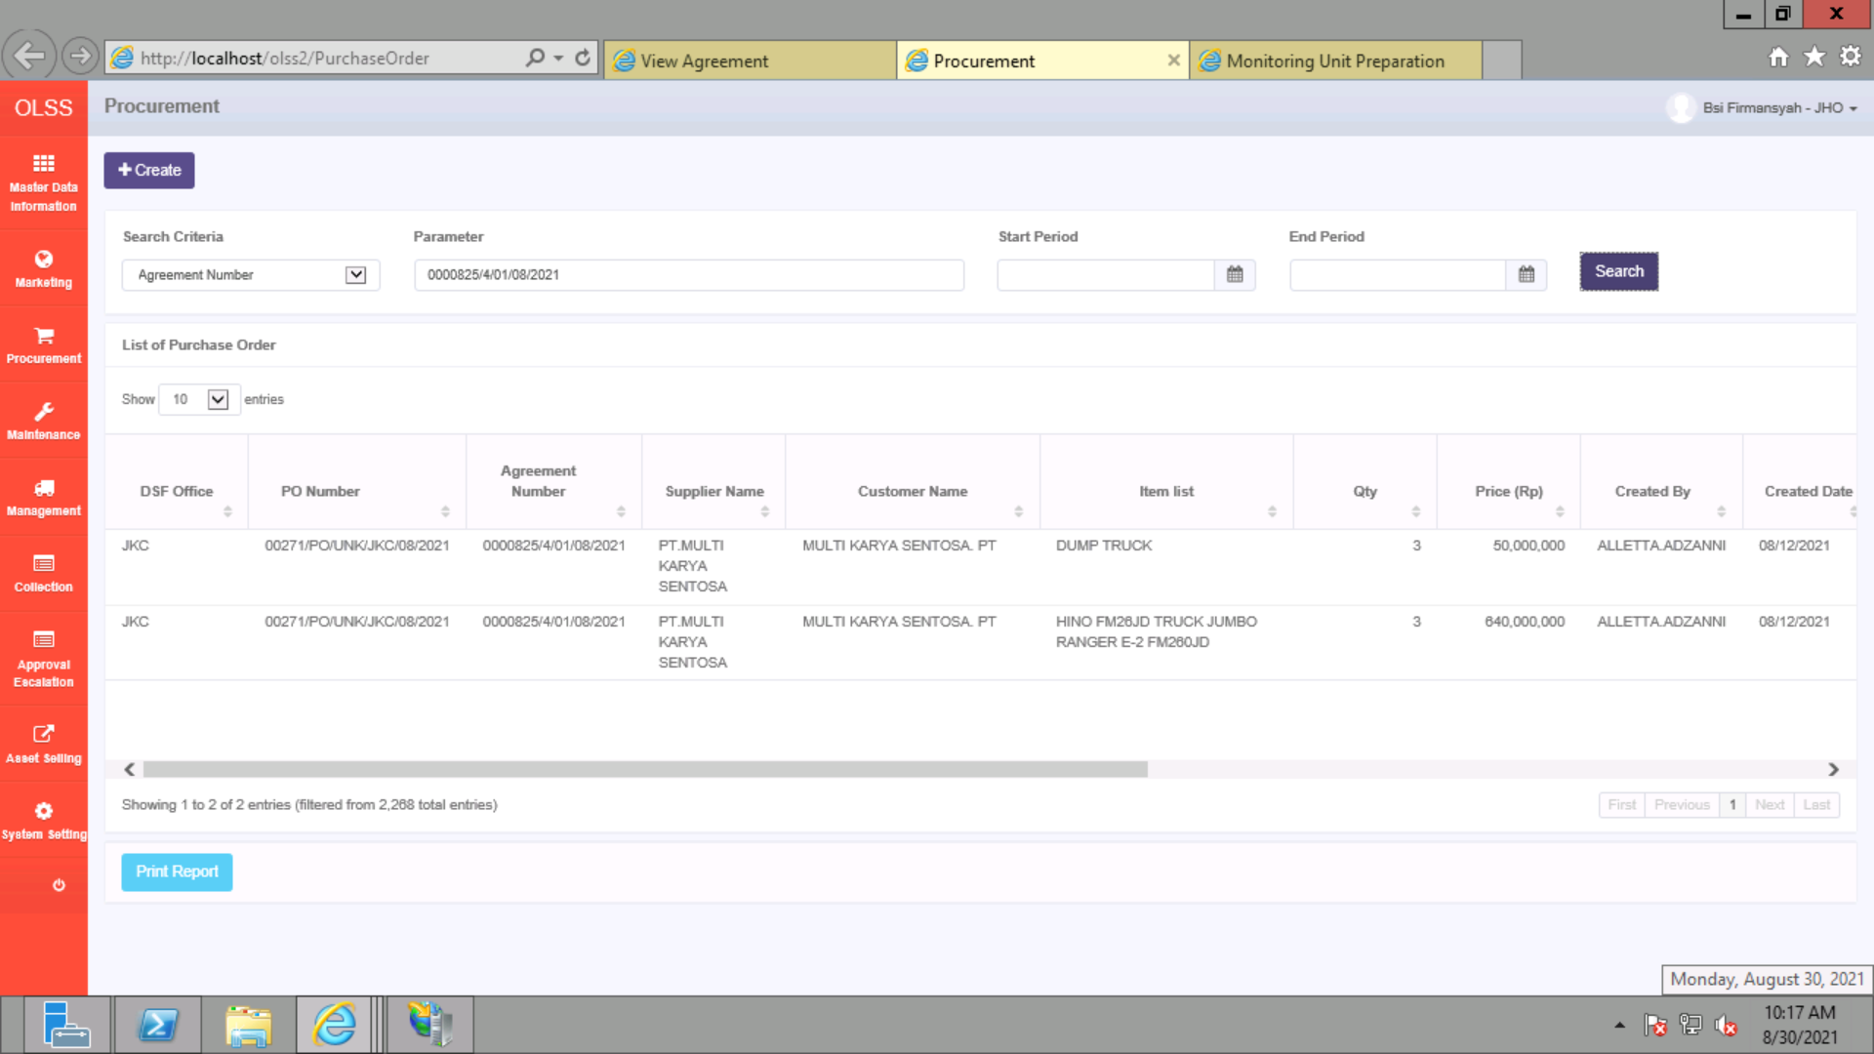
BEFORE
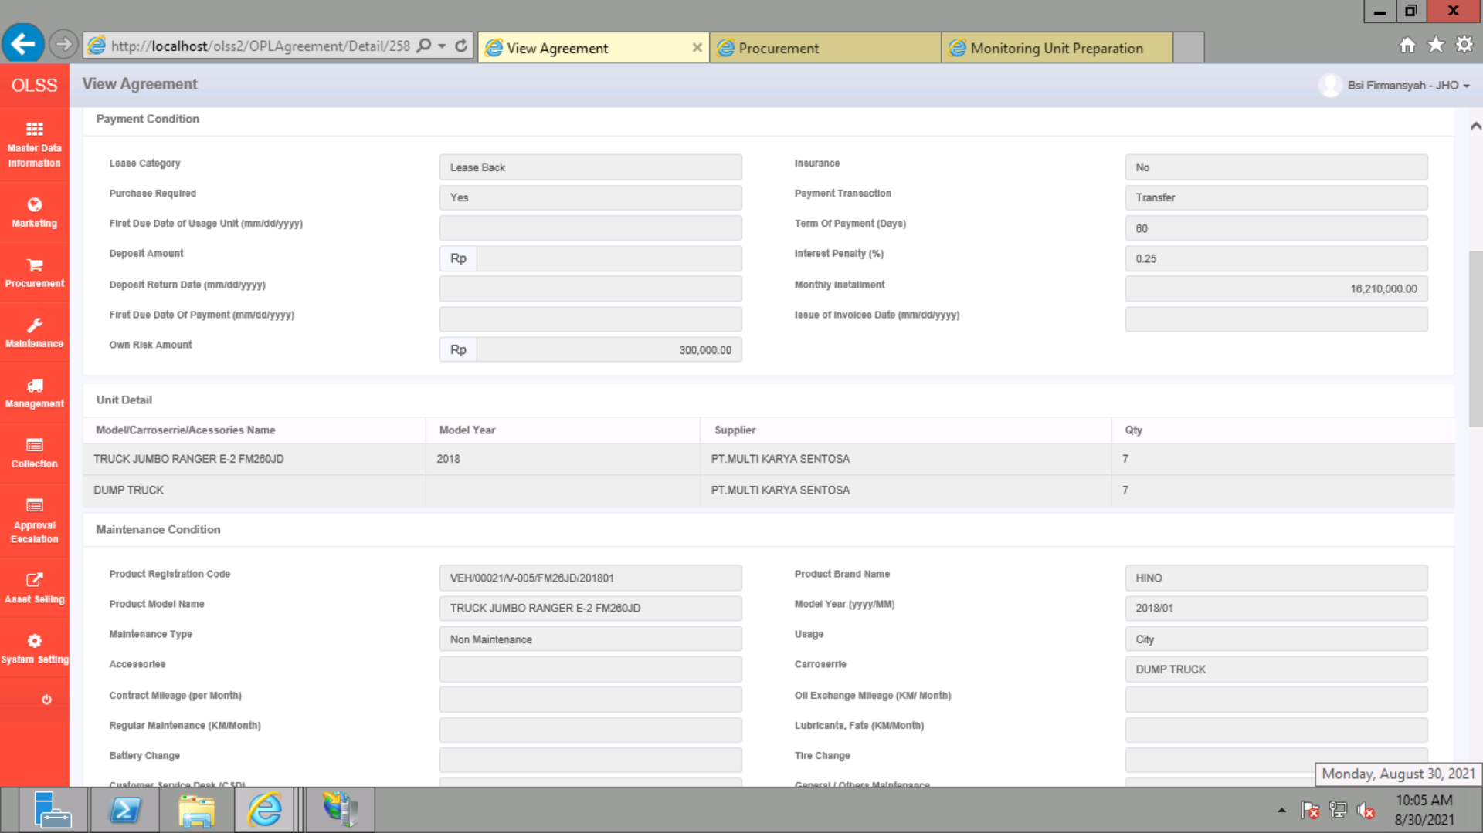


AFTER

